Sheet1
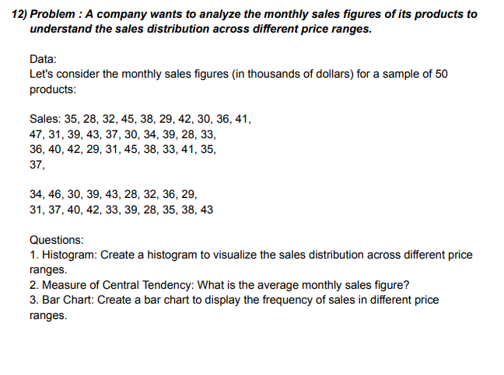
DATA |  | Class Interval | Bin | Frequency
35 | 45 | 25-30 | 30 | 10
28 | 38 | 30-35 | 35 | 13
32 | 33 | 35-40 | 40 | 15
45 | 41 | 40-45 | 45 | 10
38 | 35 | 45-50 | 50 | 2
29 | 37 |  | More | 0
42 | 34
30 | 46 | 1. HISTOGRAM
Sales
36 | 30
41 | 39
47 | 43
31 | 28
39 | 32
43 | 36
37 | 29
30 | 31
34 | 37
39 | 40
28 | 42
33 | 33 | 2. MEAN
36 | 39 | MEAN | 36.14
40 | 28
42 | 35 | 3. BAR CHART
SALES
29 | 38
31 | 43

